Summary
Name | Role/Title | Department | Direct Manager | Tenure in Company | Tenure in Position | Performance Rating | Potential Rating | Corresponding 9 Box | Bucket | Notes
Christian Nailat | Software Engineer | Technology | Arjay Gallentes | 1.5 | 1.5 | 3 | 2 | 6 | High
Ronald Bacuyan | Software Engineer | Technology | Arjay Gallentes | 0.9 | 0.9 | 3 | 2 | 6 | High
Erwin Biglang-awa | Sr. Software Engineer | Technology | Arjay Gallentes | 0.7 | 0.7 | 2 | 2 | 5 | Mid
Ian Abellana | DevOps Engineer | Technology | Arjay Gallentes | 1.3 | 1.3 | 3 | 2 | 6 | High
Anton Bisquera | Sr. Product Manager | Technology | Arjay Gallentes | 0.5 | 0.5 | 2 | 3 | 8 | High
Delson Markis Wooden | DevOps Engineer | Technology | Arjay Gallentes | 1.5 | 1.5 | 2 | 2 | 5 | Mid
Rae Jordan Alix | OutSystems Engineer | Technology | Arjay Gallentes | 0.8 | 0.8 | 3 | 2 | 6 | High
Adel Mahmoud Sadek Albediwy | Developer | Technology | Arjay Gallentes | 1.5 | 1.5 | 3 | 2 | 6 | High
Patrick Oniel Bernardo | Sr. Developer | Technology | Arjay Gallentes | 0.7 | 0.7 | 2 | 2 | 5 | Mid

 | Guidelines:
 | Please update the columns that have headings in this color
 | No need to update any of the columns with the headings in color
 | The file is set to autofill to compute for the ratings and conversions
 | Sample Data has been given as an example for reference on the first row.

 | Additional Notes: Don't forget our purpose for doing the 9 Box :)

Alignment of Talent to Business Goals
Do we have the right people for the job?
Is our Talent Population ready to meet the Business Goals for ABC?
Identification of Future Leaders
Provides a view of our Bench Strength and Pipeline for internal Talent
Provides information to feed into Succession Planning
Plan for Targeted Talent Development
Tailor Fit Development Programs and Training Needs
Talent Risk and Retention View
Provides insight on critical roles placed in low potential/performance boxes
Forecast potential fall outs and mitigate for talent coverage/redundancies

Potential
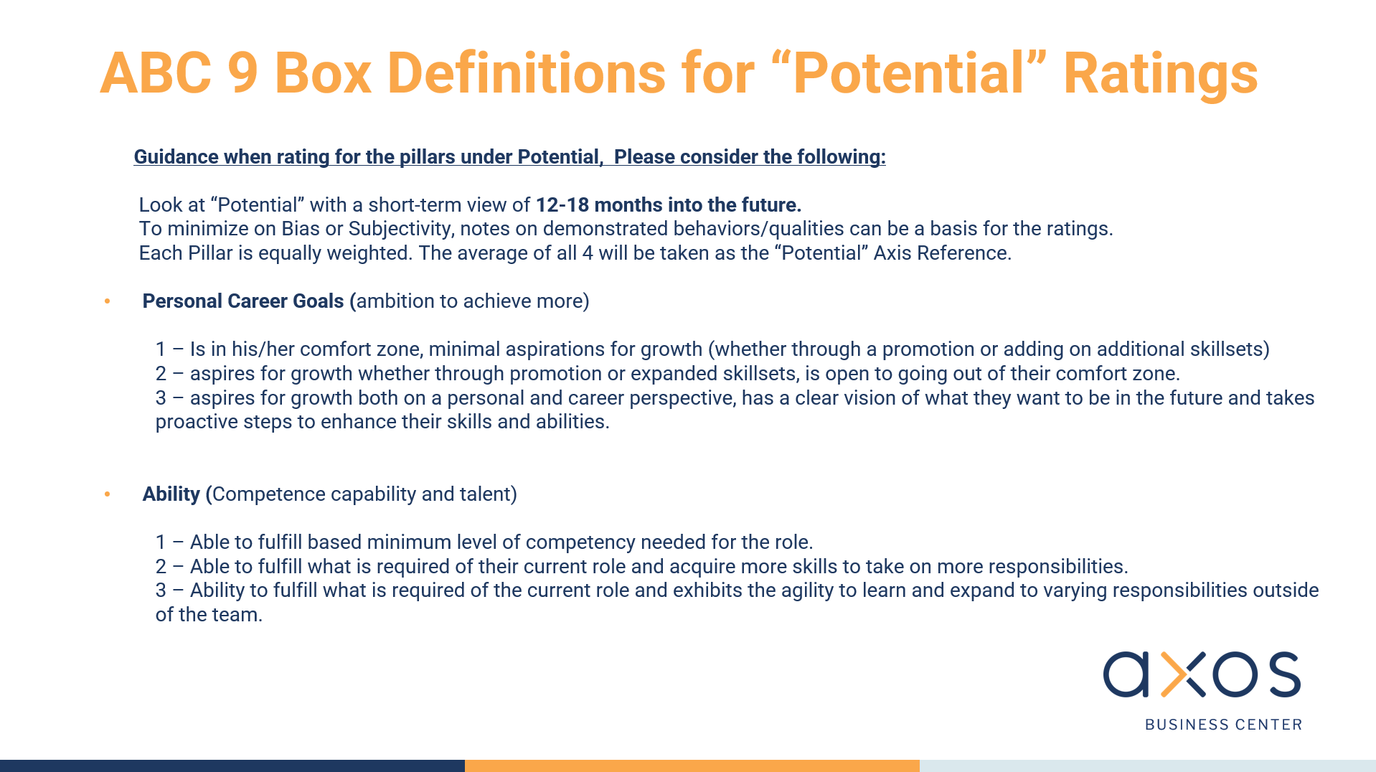
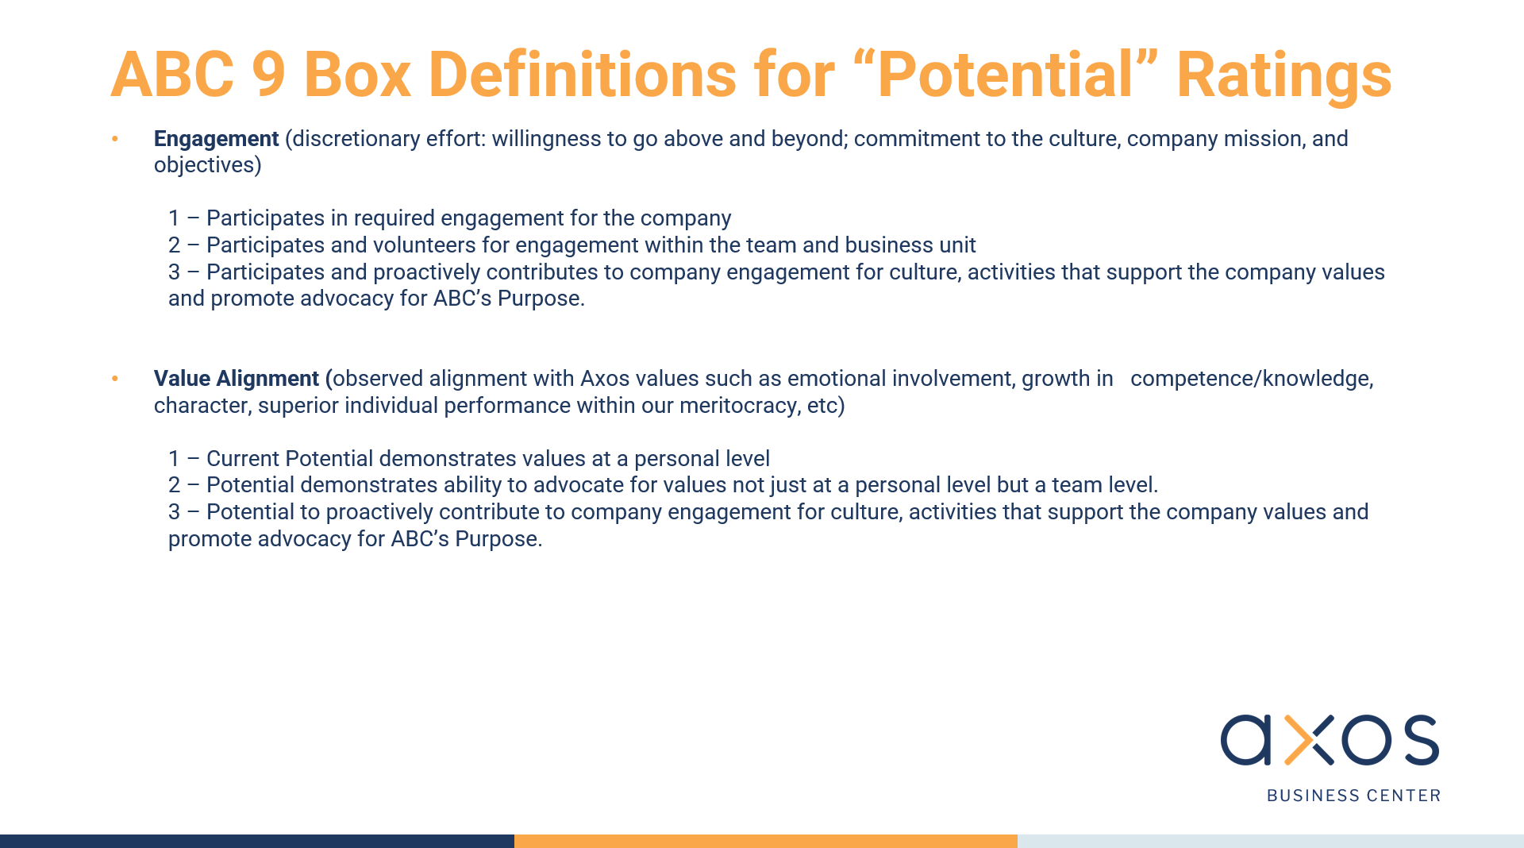
Name | Role/Title | Department | Direct Manager | Tenure in Company | Tenure in Position | Personal Career Goals | Ability | Engagement | Values Alignment | Average | Notes
Christian Nailat | Software Engineer | Technology | Arjay Gallentes | 1.5 | 1.5 | 3 | 3 | 2 | 3 | 2.75
Ronald Bacuyan | Software Engineer | Technology | Arjay Gallentes | 0.9 | 0.9 | 3 | 3 | 2 | 3 | 2.75
Erwin Biglang-awa | Sr. Software Engineer | Technology | Arjay Gallentes | 0.7 | 0.7 | 3 | 2 | 2 | 2 | 2.25
Ian Abellana | DevOps Engineer | Technology | Arjay Gallentes | 1.3 | 1.3 | 2 | 2 | 2 | 2 | 2.00
Anton Bisquera | Sr. Product Manager | Technology | Arjay Gallentes | 0.5 | 0.5 | 3 | 3 | 3 | 3 | 3.00
Delson Markis Wooden | DevOps Engineer | Technology | Arjay Gallentes | 1.5 | 1.5 | 3 | 3 | 2 | 3 | 2.75
Rae Jordan Alix | OutSystems Engineer | Technology | Arjay Gallentes | 0.8 | 0.8 | 3 | 2 | 3 | 3 | 2.75
Adel Mahmoud Sadek Albediwy | Developer | Technology | Arjay Gallentes | 1.5 | 1.5 | 2 | 3 | 1 | 2 | 2.00
Patrick Oniel Bernardo | Sr. Developer | Technology | Arjay Gallentes | 0.7 | 0.7 | 2 | 3 | 2 | 2 | 2.25

 |  |  | Guidelines:
 |  |  | Please update the columns that have headings in this color
 |  |  | No need to update any of the columns with the headings in color
 |  |  | The file is set to compute for the ratings and conversions

 |  |  | Potential Rating Guidance
 |  |  | Always remember we're looking towards a 12-18 month view of Potential, I've added the screenshots of our presentation for easier reference.

